1. Title Page
[Analysing Customer Behavior for Strategic Growth]

Project Name: Instacart Grocery Basket Analysis
Date: 24/02/2025
Analyst Name: Dounia El Youssoufi

Contents:
Population Flow
Consistency checks
Wrangling steps
Column derivations
Visualizations
Recommendations

2. Population Flow
Title page

Population flow

Exclusion flag
Condition: max_order < 5
Obervations to be removed: 1441570
Final total count of order_products_all: 30993489

Orders_products_combined
Orders_products_merged
Orders_products_all

Total: 32435059
Total: 32434489
Total: 30993489

1.) The grey boxes in the first row of the population flow represent the original data sets as they were when you downloaded them. In the Total fields you need to add the count of the rows when you imported the data set into Jupyter.
2.) The second row of boxes (coloured) represents the data sets after you manipulated them, e.g., removed missing values and duplicates. In the Total fields you need to add the count of the rows after conducting these operations. This offers a visual oveview of how the data flows throughout the data consistency checks.
3.) The third row, where also the arrows are coloured, represents the merges you performed between the datasets. In the Total fields you need to add the count of the rows in the merged datasets, so that you end up with the final dataset (in the red box). Keep in mind the final dataset should be without exclusions (based on the exclusion flag).

3. Consistency checks
 |  |  |  | Title page
Consistency checks

Dataset | Missing values | Missing values treatment | Duplicates
orders | "days_since_prior_order" column, 206209 values | Do nothing | No duplicate values were found
products | "product_name" column, 16 values. | Remove all missing values | 5 duplicates
orders_products_prior | No missing values | Do nothing | No duplicates found
customers | No missing values | Do nothing | No duplicates found

4. Wrangling steps
 |  |  |  | Title page
Wrangling steps

Columns dropped | Columns renamed | Columns' type changed | Comment/Reason
'eval_set' |  |  | Irrelevant to the analysis

 | 'order_dow' to 'order_day_of_the_week' |  | To simplify access
 |  | 'order_id' | Changed from numerical to string
 |  | ' user_id' | Changed from numerical to string
 | First Name to first_name |  | Remove spaces and convert to lowercase
 | Surnam to surname |  | Convert to lowercase,
 | Gender to gender |  | Convert to lowercase,
 | STATE to state |  | Convert to lowercase,
 | Age to age |  | Convert to lowercase,
 |  | order_number | Convert to 'object' type due to mixed-type issue
 |  | order_day_of_the_week | Convert to 'object' type due to mixed-type issue
 |  | order_hour_of_day | Convert to 'object' type due to mixed-type issue
 |  | days_since_prior_order | Convert to 'object' type due to mixed-type issue
 | busiest_day' to 'busiest_days' |  | Caused by a typo
 |  | 'date_joined' | Convert from object to datetime
'first_name' |  |  | PII columns
'surname' |  |  | PII columns
'date_joined' |  |  | PII columns
'fam_status' |  |  | PII columns
'gender' |  |  | PII columns

5. Column derivations
 |  |  |  |  | Title page

Column derivations and aggregations

Dataset | New column | Column/s it was derived from | Conditions | Frequency of columns:
'Orders_products_combined' | 'busiest day' | 'order_day_of_the_week' | if value == 0 (Saturday, busiest day)
 |  |  | if value == 4 (Wednesday, least busy day)
 |  |  | else Other days

'Orders_products_combined' | 'busiest_days' | 'order_day_of_the_week' | if value in [0, 1]: # Saturday and Sunday (Busiest days)
 |  |  | if value in [3, 4] ( Tuesday and Wednesday, slowest days)
 |  |  | else Other days

'Orders_products_combined' | busiest_period_of_day' | 'order_hour_of_day' | Fewest orders # Default category
 |  |  | ["order_hour_of_day"].between(10, 16) = "Most orders"
 |  |  | ["order_hour_of_day"].between(7, 9) | ["order_hour_of_day"].between(17, 19) = "Average orders"

'Orders_products_combined' | 'loyalty_flag' | 'max_order' | ['max_order'] > 40, 'loyalty_flag'] = 'Loyal customer'
 |  | groupby('user_id')['order_number'].transform('max') | ['max_order'] <= 40) & ['max_order'] > 10), 'loyalty_flag'] = 'Regular customer'
 |  |  | ['max_order'] <= 10, 'loyalty_flag'] = 'New customer'

'Orders_products_combined' | 'spending_flag' | 'avg_price_per_user' | Low spender' # Default to 'Low spender'
 |  | groupby('user_id')['prices'].mean() | [avg_price_per_user >= 10], 'spending_flag' = 'High spender'

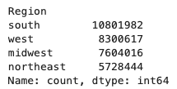
'Orders_products_combined' | 'order_frequency_flag' | median_days_per_user' | 'Non-frequent customer' # Default to 'Non-frequent customer'
 |  | groupby('user_id')['days_since_prior_order'].median() | [median_days_per_user <= 10] , 'order_frequency_flag' = 'Frequent customer'
 |  |  | [median_days_per_user > 10] & [median_days_per_user <= 20], 'order_frequency_flag' = 'Regular customer'

'Orders_products_combined' | 'Region' | 'state' | # Region 1: Northeast
 |  |  | 'maine': 'northeast', 'new hampshire': 'northeast', 'vermont': 'northeast', 'massachusetts': 'northeast',
 |  |  | 'rhode island': 'northeast', 'connecticut': 'northeast', 'new york': 'northeast', 'pennsylvania': 'northeast',
 |  |  | 'new jersey': 'northeast',
 |  |  | # Region 2: Midwest
 |  |  | 'wisconsin': 'midwest', 'michigan': 'midwest', 'illinois': 'midwest', 'indiana': 'midwest', 'ohio': 'midwest',
 |  |  | 'north dakota': 'midwest', 'south dakota': 'midwest', 'nebraska': 'midwest', 'kansas': 'midwest',
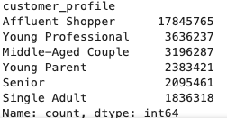
 |  |  | 'iowa': 'midwest', 'missouri': 'midwest', 'minnesota': 'midwest',
 |  |  | # Region 3: South
 |  |  | 'delaware': 'south', 'maryland': 'south', 'district of columbia': 'south', 'virginia': 'south',
 |  |  | 'north carolina': 'south', 'south carolina': 'south', 'georgia': 'south', 'florida': 'south', 'kentucky': 'south',
 |  |  | 'tennessee': 'south', 'mississippi': 'south', 'alabama': 'south', 'oklahoma': 'south', 'texas': 'south',
 |  |  | 'louisiana': 'south', 'arkansas': 'south', 'west virginia': 'south',
 |  |  | # Region 4: West
 |  |  | 'montana': 'west', 'wyoming': 'west', 'idaho': 'west', 'nevada': 'west', 'utah': 'west', 'colorado': 'west',
 |  |  | 'arizona': 'west', 'new mexico': 'west', 'alaska': 'west', 'washington': 'west', 'oregon': 'west',
 |  |  | 'hawaii': 'west', 'california': 'west'

 | 'low_activity_flag' | user_order_counts
 |  | groupby('user_id')['order_id'].nunique() | if user_order_counts[x] < 5, 'low_activity_flag' == 1
 |  |  | else 'low_activity_flag' == 0

 | 'customer_profile' | 'income' | row['income'] >= 90000, 'customer_profile' = 'Affluent Shopper'
 |  | 'age' & 'income' | 25 <= row['age'] < 35 and row['income'] >= 40000, customer_profile' = 'Young Professional'
 |  | 'age' | row['age'] >= 60, customer_profile = 'Senior'
 |  | 'age' & 'n_dependants' | 35 <= row['age'] < 60 and row['n_dependants'] > 0, customer_profile' = 'Middle-Aged Couple'
 |  | 'age' & 'n_dependants' | row['age'] < 35 and row['n_dependants'] > 0, customer_profile = 'Young Parent'
 |  | 'age' & 'n_dependants' | row['n_dependants'] == 0 and row['age'] < 60, customer_profile = 'Single Adult'

6. Visualizations
 |  |  |  |  |  |  | Title page

Visualisations

Q1: Identifying the Busiest Days and Hours for Orders to Optimize Ad Scheduling During Low-Traffic Periods

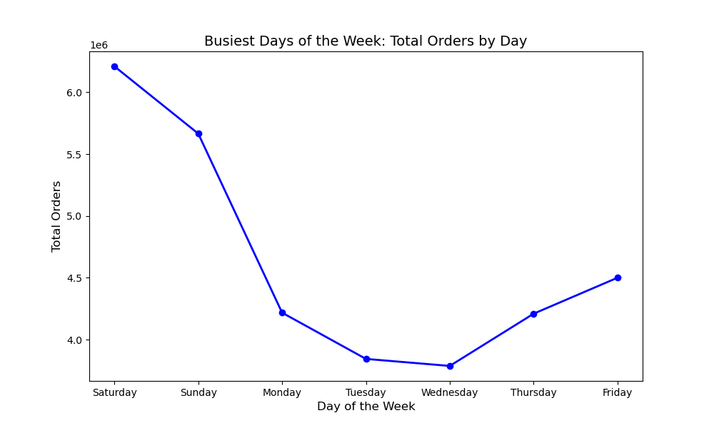

 |  |  |  | The busiest days of the week: Saturday
 |  |  |  | The least busy of the week: Wednesday
 |  |  |  | Peak order time: 10 AM
 |  |  |  | Order increase begins: 8 AM
 |  |  |  | Order frequency high: 10 AM
 |  |  |  | Gradual decline starts: After 4 PM
 |  |  |  | Lowest activity: Midnight (12 AM) to 4 AM

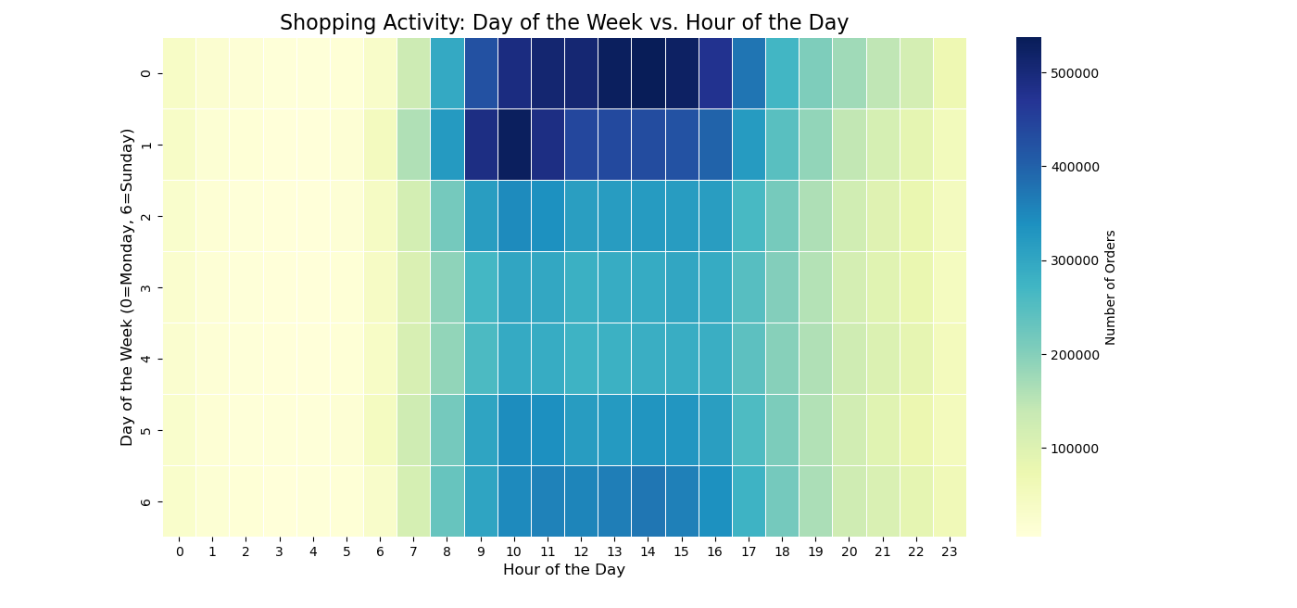

Q2: Analyse peak spending times of day to inform product advertising strategy
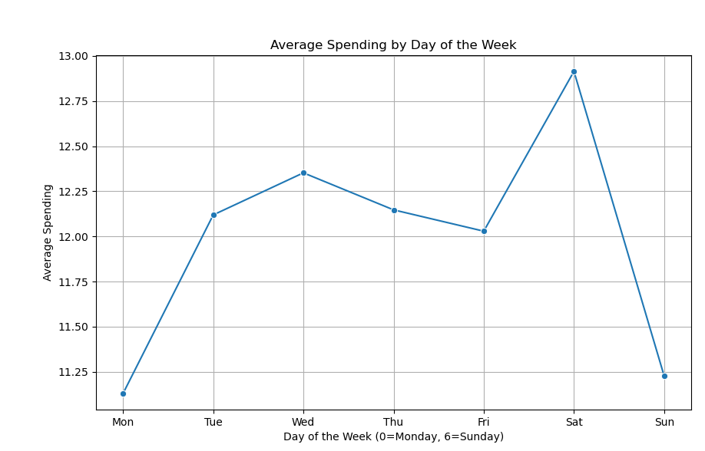
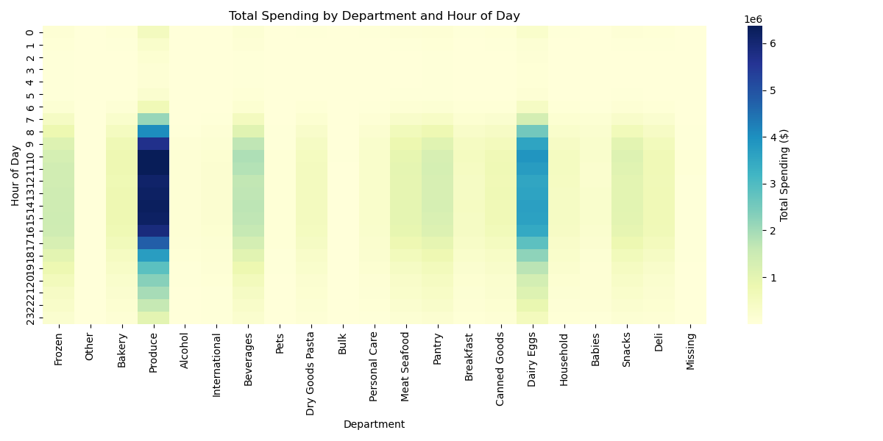

 |  | Peak Spending Time: 10 AM - 4 PM, especially on Saturdays.
 |  | Key Departments for Ads: Produce and Dairy/Eggs.
 |  | Strategy: Advertise high-demand products during peak spending hours to maximize sales.

Q3: Price Range Segmentation for Targeted Marketing and Sales Efforts

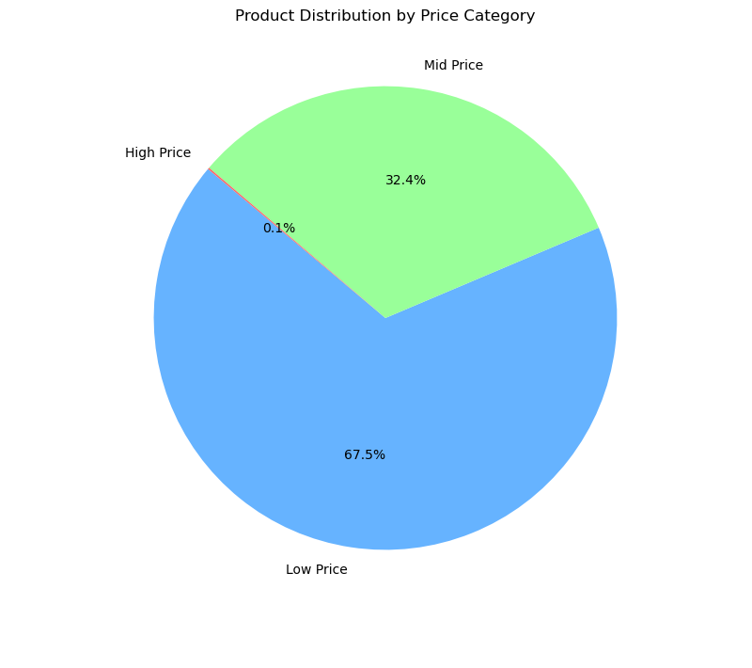

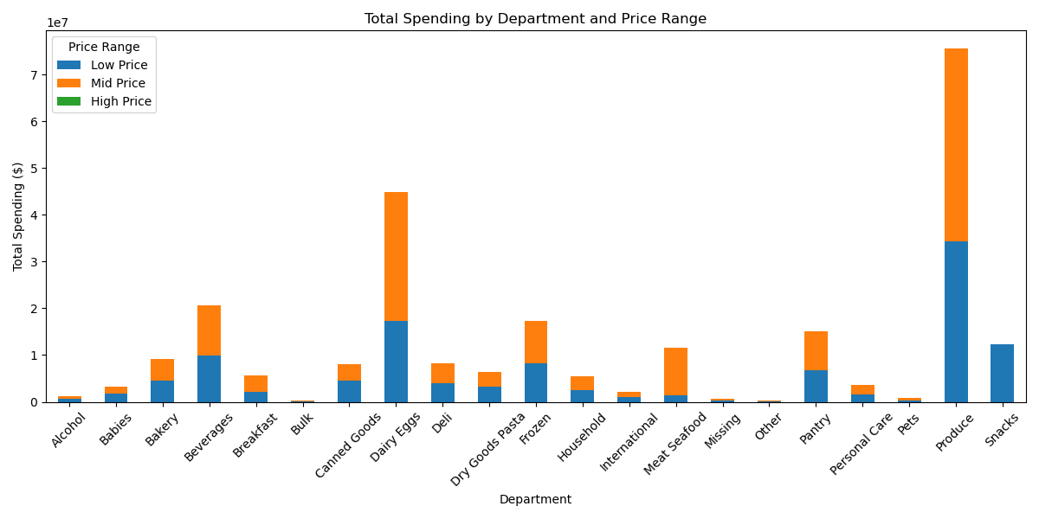

 | Price Distribution:

 | Low Price (0-10): 67.5% of products, dominating the market.
 | Mid Price (10-100): 32.4%, with notable spending in departments like Produce and Dairy Eggs.
 | High Price (100+): Just 0.1%, a very small fraction of products.

 | Department Spending:

 | Produce and Dairy Eggs have higher spending on mid-priced products.
 | Top departments spend more on mid-price products, while others focus on low-price.

 | Price Range Guide:

 | Low Price: $0 - $10, most common range.
 | Mid Price: $10 - $100, popular in departments like Produce.
 | High Price: $100+, rare and niche.

 | This indicates that most products and spending are in the low-to-mid price range, with certain departments focusing more on mid-price products.

Q4: Product Popularity and Order Frequency by Department

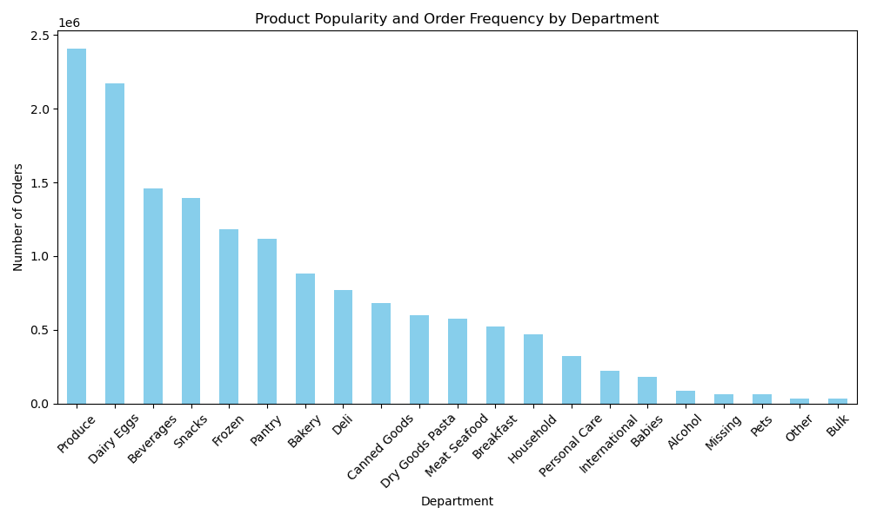

 |  |  |  |  |  |  | Most Popular Departments:

 |  |  |  |  |  |  | Produce has the highest frequency of product orders, indicating that customers are frequently purchasing products from this department.
 |  |  |  |  |  |  | Dairy Eggs follows closely as the second most popular department in terms of order frequency.
 |  |  |  |  |  |  | Beverages ranks third, showing a significant demand for products in this category.
 |  |  |  |  |  |  | Snacks also show a relatively high frequency of orders, ranking fourth.

Q5: The different types of customers and how their ordering behaviors differ:

 | 1. Customer Loyalty Distribution: Frequency of Returns to Instacart
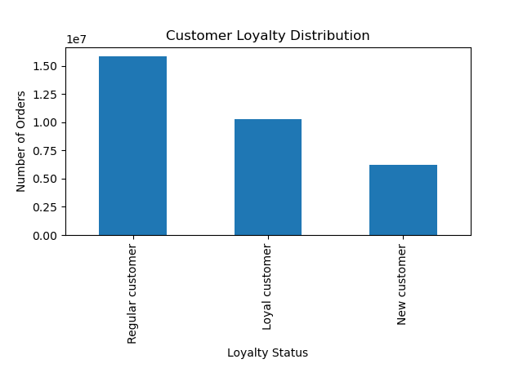

 |  |  |  |  | The distribution of orders based on customer loyalty status reveals that:

 |  |  |  |  | Regular Customers have the highest number of orders, indicating they are the most frequent shoppers on the platform.
 |  |  |  |  | Loyal Customers fall in the middle, making a moderate number of orders, showing consistent engagement with the brand.
 |  |  |  |  | New Customers have the fewest orders, as expected, since they are still in the early stages of their relationship with the platform.

 |  |  |  |  | This distribution highlights that the majority of orders come from regular customers, followed by loyal customers, while new customers contribute fewer orders at this stage.

 | 2. Analysing Ordering Habits Based on Customer Loyalty Status
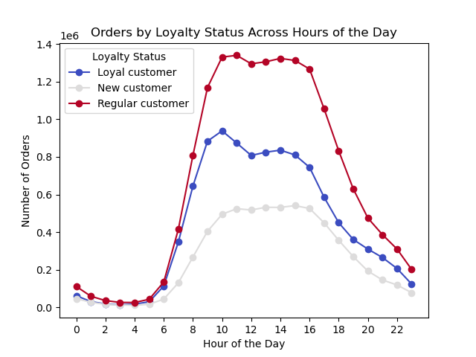
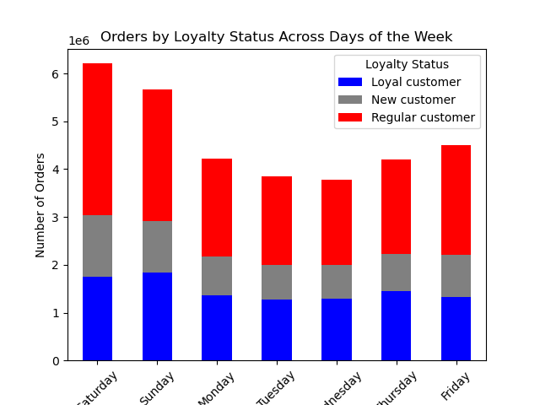

 |  | Left Chart (Orders by Hour of the Day):

 |  | Regular customers (Red) place the most orders, peaking between 10 AM - 4 PM.
 |  | Loyal customers (Blue) follow a similar trend but with lower order volumes.
 |  | New customers (Gray) have the fewest orders, with a more evenly spread distribution.

 |  | Right Chart (Orders by Day of the Week):

 |  | Saturday & Sunday have the highest number of orders, dominated by Regular customers (Red).
 |  | Loyal customers (Blue) and New customers (Gray) maintain consistent order patterns throughout the week.
 |  | Mid-week (Monday - Thursday) sees a drop in orders across all loyalty groups.

 |  | Key Insight: Regular customers drive the majority of sales, especially on weekends and midday hours, while loyal and new customers show steadier but lower engagement.

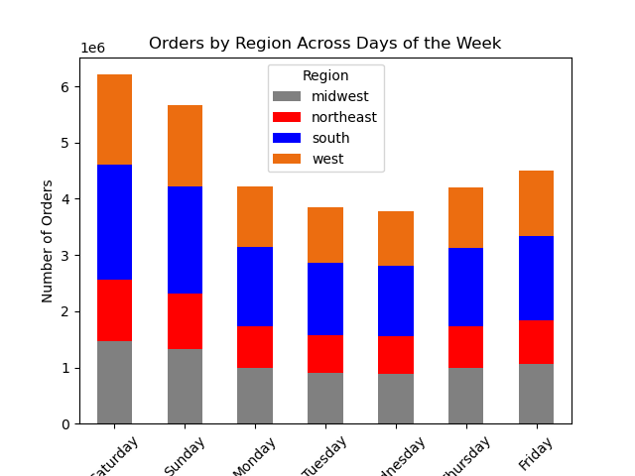
 | 3. Analysing Ordering Habits Based on Customer Regions
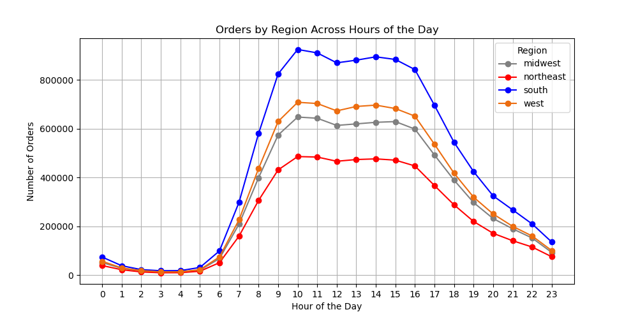

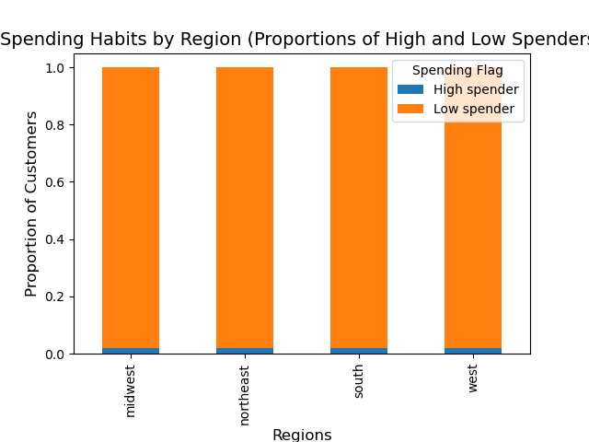

 |  |  |  |  |  | Ordering Trends by Region (Hourly & Daily)

 |  |  |  |  |  | The South region (blue) has the highest order volume throughout the day, peaking around 10 AM - 5 PM.
 |  |  |  |  |  | The West (orange) and Midwest (gray) regions have similar ordering patterns, but at lower volumes.
 |  |  |  |  |  | The Northeast (red) has the lowest order volume compared to other regions.
 |  |  |  |  |  | Across days of the week, Saturday and Sunday have the highest order volume across all regions, followed by a decline on weekdays.
 |  |  |  |  |  | The South and West regions remain the most active throughout the week.

 |  |  |  |  |  | Spending Habits by Region

 |  |  |  |  |  | The majority of customers across all regions are low spenders (orange), meaning their average spending per order is below $10.
 |  |  |  |  |  | The high spender segment (blue) is nearly non-existent, indicating that most customers purchase lower-priced items frequently rather than making high-value purchases.
 |  |  |  |  |  | No significant difference is seen across regions in spending behavior—all regions have a similar proportion of low vs. high spenders.

 | 4. Impact of Age and Family Status on Ordering Habits

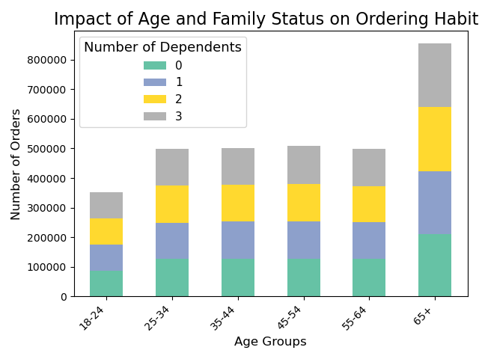

 |  |  |  |  | No clear connection between age and family status in terms of ordering habits.

 |  |  |  |  | The 65+ age group has the highest number of orders, while the 18-24 age group has the lowest.
 |  |  |  |  | Order frequency across the 25-64 age groups is similar.
 |  |  |  |  | Family status (number of dependents) does not significantly affect the number of orders, as the order frequency is similar across all family sizes.

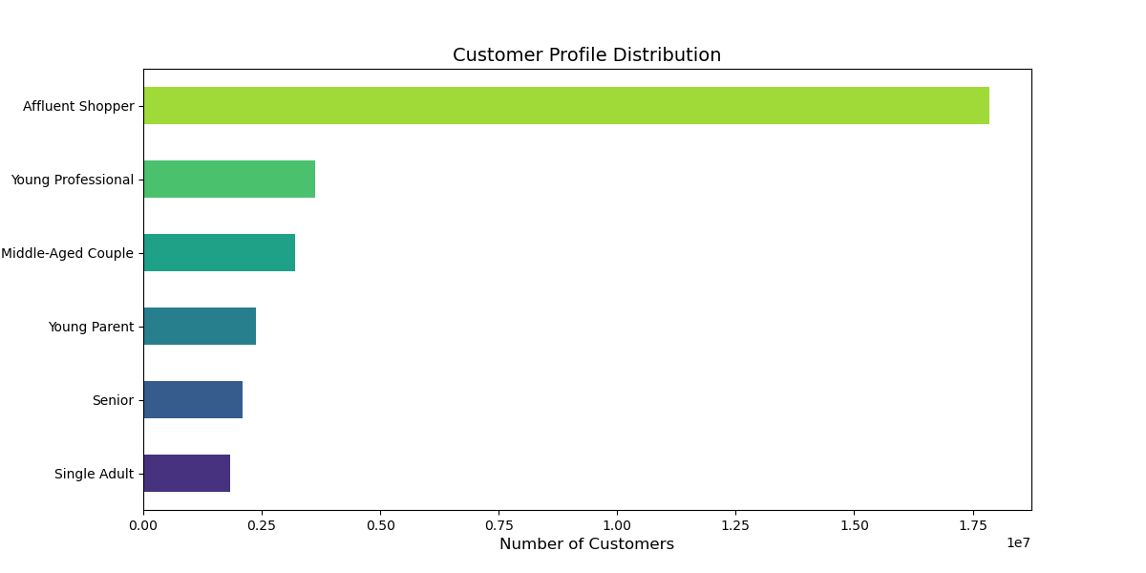
 | 5. Demographic Classifications Based on Age, Family Status, and Income

 |  |  |  |  |  |  |  | This classification highlights different shopping behaviors based on income, age, and family status:

 |  |  |  |  |  |  |  |  | Affluent Shopper: High-income customers (Income ≥ $90,000).
 |  |  |  |  |  |  |  |  | Young Professional: Customers aged 25-35 with a decent income (Income ≥ $40,000).
 |  |  |  |  |  |  |  |  | Senior: Customers aged 60+ regardless of income or dependents.
 |  |  |  |  |  |  |  |  | Middle-Aged Couple: Customers aged 35-60 with at least one dependent.
 |  |  |  |  |  |  |  |  | Young Parent: Customers under 35 with at least one dependent.
 |  |  |  |  |  |  |  |  | Single Adult: Customers under 60 with no dependents.

 | 6. Analyzing Ordering Habits Across Different Customer Profiles

 |  | a. Regional Spending and Order Trends by Customer Profile

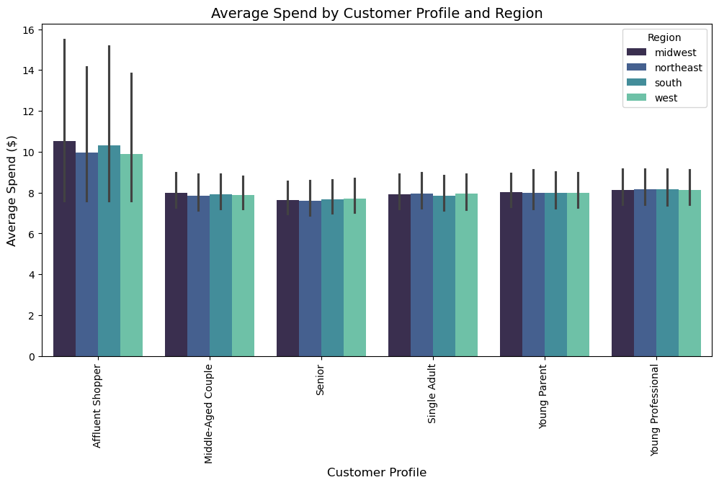
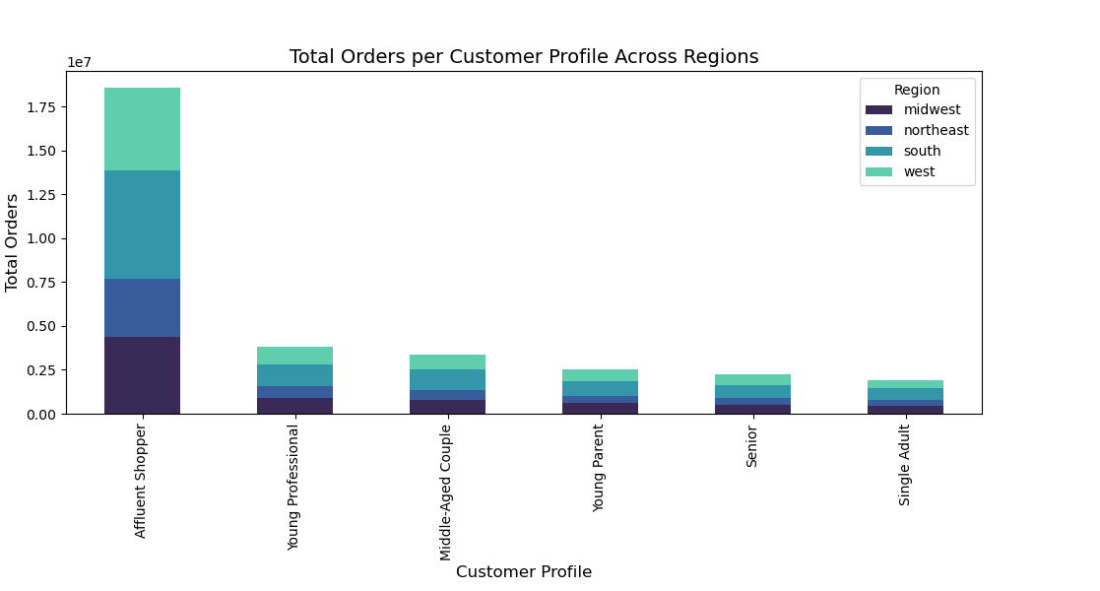

 |  | Affluent Shopper: | Highest spending in the Midwest.
 |  |  | Highest number of orders in the South.

 |  | Young Professional: | Almost the same spending and total orders across all regions.

 |  | Middle-Aged Couple: | Almost the same spending and total orders across all regions.

 |  | Young Parent: | Almost the same spending and total orders across all regions.

 |  | Senior: | Almost the same spending and total orders across all regions.

 |  | Single Adult: | Almost the same spending and total orders across all regions.

 |  | Overall: | Total orders are always highest in the South.

 |  | b. Customer Profiles and Department Spending Trends
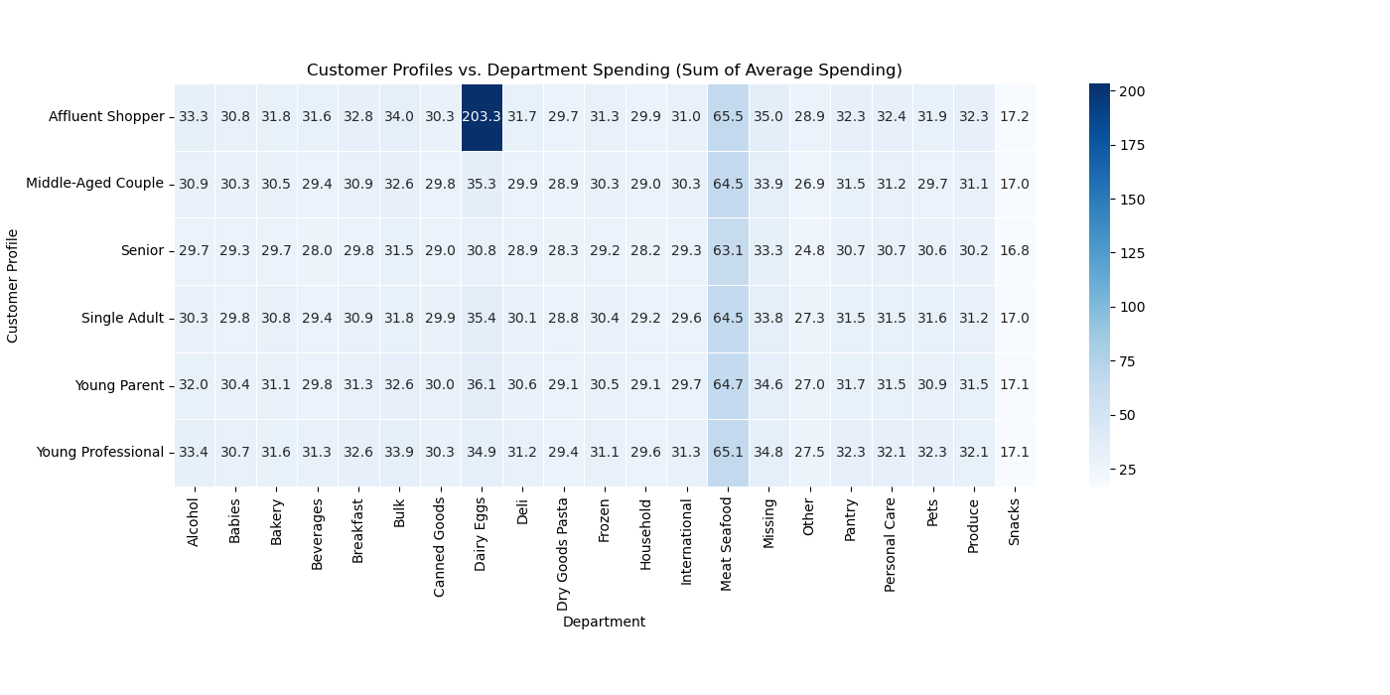

 |  |  |  |  |  |  |  |  |  |  | Affluent Shopper: Highest spending in Dairy & Eggs, followed by Meat & Seafood.
 |  |  |  |  |  |  |  |  |  |  | Other Profiles: Highest spending in Meat & Seafood, followed by Dairy & Eggs.
 |  |  |  |  |  |  |  |  |  |  | Affluent Shopper stands out with the highest overall spending, particularly in Dairy & Eggs.

 |  | c. Customer Spending Behavior: Weekdays vs. Weekends
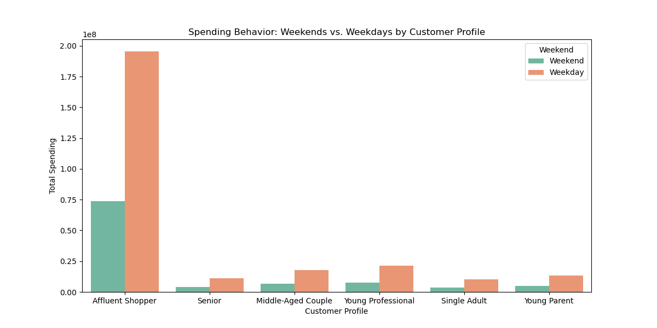

 |  |  |  |  |  |  |  |  |  | Spending Trends: Weekdays show higher spending across all customer profiles compared to weekends.
 |  |  |  |  |  |  |  |  |  | Key Insight: Customers tend to spend more on weekdays, regardless of their profile

7. Recommendations
 |  | Title page

Recommendations

In this tab you should include any recommendations you would made to Instcart in terms of their marketing strategy based on the questions posed in the brief. Every key question has been covered in the Tasks of the Exercises - here you need to add an item - a visualisation or table/crosstable that is showing the answer in the data, acompanied by a comment from you. Please, list the questions below and add the answer underneath.

Question
Question 1 : The sales team needs to know what the busiest days of the week and hours of the day are (i.e., the days and times with the most orders) in order to schedule ads at times when there are fewer orders.
Question 2 : They also want to know whether there are particular times of the day when people spend the most money, as this might inform the type of products they advertise at these times.
Question 3: Instacart has a lot of products with different price tags. Marketing and sales want to use simpler price range groupings to help direct their efforts
Question 4: Are there certain types of products that are more popular than others? The marketing and sales teams want to know which departments have the highest frequency of product orders
Question 5: What’s the distribution among users in regards to their brand loyalty (i.e., how often do they return to Instacart)?
Question 6: Are there differences in ordering habits based on a customer’s loyalty status?
Question 7: Are there differences in ordering habits based on a customer’s region?
Question 8: Is there a connection between age and family status in terms of ordering habits?
Question 9: What different classications does the demographic information suggest? Age? Income? Certain types of goods? Family status?
Question 10: What differences can you nd in ordering habits of different customer proles?

Answer
Anwer 1 | Order activity peaks on Saturday with high frequency starting at 8 AM, reaching its highest point at 10 AM, then gradually declining after 4 PM, with the lowest activity occurring between midnight and 4 AM.
Answer 2 | The peak spending time is between 10 AM and 4 PM, especially on Saturdays. For advertising strategies, focus on promoting produce and dairy/eggs during these hours to maximize sales.
Answer 3 | Most products fall within the low ($0-$10) and mid ($10-$100) price ranges, with high spending in Produce and Dairy Eggs. Low-price products dominate (67.5%), while mid-price (32.4%) drives key department spending. High-price items ($100+) are rare (0.1%). Marketing should focus on low- and mid-price products in top-spending departments.
Answer 4 | Yes, some departments are significantly more popular than others. Produce has the highest order frequency, followed by Dairy Eggs, Beverages, and Snacks. These departments see the most customer demand, making them key focus areas for marketing and sales strategies.
Answer 5 | Regular customers place the highest number of orders, making them the most frequent shoppers. Loyal customers follow with moderate order frequency, showing consistent engagement. New customers contribute the fewest orders as they are still building their relationship with the platform.
Answer 6 | Yes, ordering habits vary by loyalty status. Regular customers place the most orders, peaking between 10 AM - 4 PM and on weekends. Loyal customers follow a similar pattern but with lower volume, while new customers have fewer, more evenly distributed orders. Mid-week sees a drop in orders across all groups.
Answer 7 | The South has the highest order volume, peaking 10 AM - 5 PM, while the Northeast has the lowest. Weekends see the most orders across all regions. Most customers are low spenders, with high spenders being rare across all regions.
Answer 8 | No clear link between age and family status in ordering habits. 65+ order the most, 18-24 the least, and order frequency is similar across 25-64 age groups, regardless of dependents.
Answer 9 | Demographic classification is based on age, income, and family status:
 | Affluent Shopper: High income (≥ $90,000).
 | Young Professional: 25-35 years, income ≥ $40,000.
 | Senior: 60+ years, any income/dependents.
 | Middle-Aged Couple: 35-60 years, with dependents.
 | Young Parent: Under 35, with dependents.
 | Single Adult: Under 60, no dependents.
Answer 10 | The Affluent Shopper has the highest spending in the Midwest and the highest number of orders in the South. Young Professionals, Middle-Aged Couples, Young Parents, Seniors, and Single Adults all show almost the same spending and total orders across regions. Overall, total orders are consistently highest in the South.
 | The Affluent Shopper has the highest spending in Dairy & Eggs, followed by Meat & Seafood, standing out with the highest overall spending, especially in Dairy & Eggs. For all other profiles, spending is highest in Meat & Seafood, followed by Dairy & Eggs.
 | Spending trends show that weekdays have higher spending across all customer profiles compared to weekends. Key Insight: Customers generally spend more on weekdays, regardless of their profile.

Marketing Strategy Recommendations for Instacart:

 | 1. Target Peak Times: Focus marketing efforts on weekends (Saturday), especially 10 AM - 4 PM, to capitalize on peak ordering and spending times. Promote Produce and Dairy/Eggs during these hours.
 | 2. Price-Sensitive Products: Prioritize low- and mid-price products ($0-$100), particularly in Produce and Dairy/Eggs, where spending is highest.
 | 3. Engage Regular and Loyal Customers: Retain regular customers with personalized promotions, and incentivize loyal customers with exclusive deals, particularly in off-peak hours.
 | 4. Regional Focus: Increase marketing efforts in the South, where order volume is highest, and run targeted campaigns in the Northeast to drive engagement.
 | 5. Department-Specific Promotions: Tailor promotions to Affluent Shoppers in the Midwest, focusing on Dairy & Eggs, and emphasize Meat & Seafood for Young Professionals and Young Parents.
 | 6. Leverage Weekday Spending: Run weekday-only promotions to boost sales during weekdays, focusing on Dairy/Eggs and Meat & Seafood.

